Bookshelf
HUAWEI Access Router Series After-Sales Documentation Bookshelf (Enterprise)

Hot Topics | Manuals | Solution | Tools | Videos | TechNotes
 |  | SD-WAN
Recommended Documentation | Access Router | Learn about Solution | APP | Products and Solutions | Configuration TechNotes

 |  | Install & Upgrade

 |  |  | Information Query | Feature Introduction

Video Infographic | IoT Gateway | Configuration & Commissioning | Service Assistant | Configuration | Fault-related TechNotes

Hot Tools |  | Troubleshooting | Resource Library | SD-WAN

 |  | Release Documents

If you have any problems, please feel free to contact us. Email: networkinfo@huawei.com

Change History
Version 05—— 2024-4-16

 | Copyright © Huawei Technologies Co., Ltd. 2024. All rights reserved.

Hot Topics
BACK
Hot Topics

Category | Documentation | Highlights | Links
Recommended Documentation (V600) | AR Router Troubleshooting Guide (V600) | Integrates and optimizes troubleshooting and troubleshooting cases, including top 11 typical fault locating guides, maintenance bookshelves, and practicability. | https://support.huawei.com/hedex/hdx.do?docid=EDOC1100316023
 | AR Router IPSec Connection Cases (V600) | This document provides guidance for IPSec interconnection between AR routers and Cisco routers. | https://support.huawei.com/enterprise/en/doc/EDOC1100339736?idPath=24030814|21782164|7923148|256863203
 | NetEngine AR Typical Configuration Examples (V600) | Various practical cases cover the comprehensive scenarios, and interconnection scenarios of multiple products. | https://support.huawei.com/enterprise/en/doc/EDOC1100313666
 | AR6700V Installation and Deployment Guide | This document describes how to install the AR6700V on various platforms. | https://forum.huawei.com/enterprise/en/ar6700v-installation-and-deployment-guide/thread/763366653810917376-667213852955258880
 | AR6700V-L Installation and Deployment Guide | This document describes how to install the AR6700V-L on various platforms. | https://forum.huawei.com/enterprise/en/ar6700v-l-installation-and-deployment-guide/thread/763366824921743360-667213852955258880
 | NetEngine AR5700, AR6700, and AR8000 Hardware Description | This document describes the hardware of the chassis, power modules, fan modules, boards, cables, and optical modules. | https://support.huawei.com/enterprise/en/doc/EDOC1100213474
Recommended Documentation (V300) | AR Router Troubleshooting Guide (V300) | Integrates and optimizes troubleshooting and troubleshooting cases, including top 10 typical fault locating guides, maintenance bookshelves, and practicability. | https://support.huawei.com/enterprise/en/doc/EDOC1000079719?idPath=24030814%7C21432787%7C23708834%7C250680700
 | AR Router Interoperation Cases (V300) | This document describes how to interconnect AR routers with Cisco routers. | https://support.huawei.com/enterprise/en/doc/EDOC1100352756?idPath=24030814|21782164|7923148|256863201
 | RU-201 Reference Documents | This document covers the installation, configuration, operation, and maintenance of the RU-201. | https://forum.huawei.com/enterprise/en/ru-201-product-documentation/thread/744310464373997568-667213852955258880
 | AR1000V Installation and Deployment Guide | This document describes how to install the AR1000V on various platforms. | https://forum.huawei.com/enterprise/en/ar1000v-installation-and-deployment-guide/thread/678307649508229120-667213852955258880
 | NetEngine AR600, AR6100, AR6200, and AR6300 Web-based Typical Configuration Examples | This document provides web-based typical configurations examples for features. | https://support.huawei.com/enterprise/en/doc/EDOC1100130781
 | NetEngine AR600, AR6100, AR6200, and AR6300 CLI-based Typical Configuration Examples | Various practical cases cover the comprehensive scenarios, replacement scenarios, and interconnection scenarios of multiple products. | https://support.huawei.com/enterprise/en/doc/EDOC1100130782
 | NetEngine AR600, AR6100, AR6200, and AR6300 Hardware Description | This document describes the hardware of the chassis, power modules, fan modules, boards, cables, and optical modules. | https://support.huawei.com/enterprise/en/doc/EDOC1100041787
Recommended Documentation (SD-WAN) | SD-WAN Best Practices | This document provides the networking models and key capabilities of the SD-WAN Solution in typical scenarios. It also demonstrates user requirement analysis, solution design, data planning, and detailed configuration for the SD-WAN Solution in different scenarios. | https://support.huawei.com/enterprise/en/enterprise-network-solution/sd-wan-pid-22584369?category=configuration-commissioning&subcategory=best-practices
 | SD-WAN Maintenance Guide | This document provides guided routine proactive inspection, emergency maintenance, common maintenance operations and troubleshooting, and FAQs for the SD-WAN Solution, facilitating your maintenance and troubleshooting. | https://support.huawei.com/enterprise/en/enterprise-network-solution/sd-wan-pid-22584369?category=troubleshooting&subcategory=maintenance-bible
Video Infographic | (Video) NetEngine AR5710-S Product Description | Huawei NetEngine AR5710-S series routers are next-generation enterprise branch routers. The routers provide powerful capabilities including plenty of service interfaces, PoE, fast provisioning, and LAN-WAN convergence and are mainly used in the Huawei EasyBranch Solution to simplify branch deployment. | https://support.huawei.com/enterprise/en/doc/EDOC1100332991?idPath=24030814%7C21782164%7C7923148%7C256863203
 | (Video) NetEngine AR5710 Product Overview | Describes the hardware, interfaces, and scenarios of the AR5710. | https://support.huawei.com/enterprise/en/doc/EDOC1100274522?idPath=24030814%7C21782164%7C7923148%7C256863203
 | (Video) NetEngine AR8700-8 Product Overview | Describes the hardware, interfaces, and scenarios of the AR8700-8. | https://support.huawei.com/enterprise/en/doc/EDOC1100302078?idPath=24030814%7C21782164%7C7923148%7C256863203
 | (Video) NetEngine AR6710 Product Overview | Describes the hardware, interfaces, and scenarios of the AR6710. | https://support.huawei.com/enterprise/en/doc/EDOC1100236132?idPath=24030814%7C21782164%7C7923148%7C256863203
 | (Video) NetEngine AR8140-12G10XG Product Overview | Describes the hardware, interfaces, and scenarios of the AR8140-12G10XG0. | https://support.huawei.com/enterprise/en/doc/EDOC1100213839?idPath=24030814%7C21782164%7C7923148%7C256863203
 | (Video) NetEngine AR631I Product Overview | Describes the hardware, interfaces, and scenarios of the AR631I. | https://support.huawei.com/enterprise/en/doc/EDOC1100305649
 | (Video) NetEngine AR6121E Product Overview | Huawei's NetEngine AR6121E are the next-generation routing and gateway devices, which provide the SD-WAN, routing, switching, VPN, security, voice, and MPLS functions. | https://support.huawei.com/enterprise/en/doc/EDOC1100141025?idPath=24030814%7C21432787%7C23708834%7C250680700
 | (Video) NetEngine AR6280 Product Overview | Huawei's NetEngine AR6280 are the next-generation routing and gateway devices, which provide the SD-WAN, routing, switching, VPN, security, voice, and MPLS. | https://support.huawei.com/enterprise/en/doc/EDOC1100144818?idPath=24030814%7C21432787%7C23708834%7C250680700
 | (Video) How to Query AP Models Supported by AR Routers | This video introduces how to query AP models supported by AR routers. | https://support.huawei.com/enterprise/en/doc/EDOC1100351367
 | (Video) How to Query the Maximum Number of APs That Can Be Managed by AR Routers | This video introduces how to query the maximum number of APs that can be managed by AR routers. | https://support.huawei.com/enterprise/en/doc/EDOC1100351361
 | (Video) How to Restore an AR Router to the Factory Settings | This video introduces how to restore an AR router to the factory settings. | https://support.huawei.com/enterprise/en/doc/EDOC1100351364
 | (Video) How to Query the Hardware Mapping of AR Routers Using Info-Finder | This video introduces how to query the hardware mapping of AR routers using Info-Finder. | https://support.huawei.com/enterprise/en/doc/EDOC1100351342
 | (Video) How to Download Software Packages of an AR Router | This video introduces how to download software packages of an AR router. | https://support.huawei.com/enterprise/en/doc/EDOC1100351346
 | (Video) How to change the password validity period of the local administrator on an AR router | This video introduces how to change the password validity period of the local administrator on an AR router. | https://support.huawei.com/enterprise/en/doc/EDOC1100351366
 | (Video) How to Activate the License of an AR Router | This video introduces how to activate the license of an AR router. | https://support.huawei.com/enterprise/en/doc/EDOC1100351356
 | (Video) How to Obtain the AR Router Default Usernames and Passwords | This video introduces how to obtain default usernames and passwords of the AR router. | https://support.huawei.com/enterprise/en/doc/EDOC1100351353
 | (Video) Huawei SD-WAN Demo | Demonstration videos of common features of Huawei SD-WAN solution, including email-based deployment, QoS, intelligent traffic steering, and multi-cloud interconnection. | https://info.support.huawei.com/info-finder/vue/#/en/enterprise/onlinecourses/detail?secondProduct=Horizontal%20Solutions&thirdProduct=SD-WAN&collection=Huawei%20SD-WAN%20Demo&product=Enterprise%20Network%20Solution
...

Manuals
BACK
Manuals

Documentation | Desc | Link
Access Router (V600)
AR5700&6700&8000 Series
AR5700&6700&8000 Series | Covers all product documents of the AR5700&6700&8000 series. | https://support.huawei.com/enterprise/en/routers/ar5700-6700-8000-pid-256863203
NetEngine AR6700V&6700V-L Series
AR6700V-L | Covers all product documents of the AR6700V-L. | https://support.huawei.com/enterprise/en/routers/ar6700v-6700v-l-pid-256686435
AR6700V | Covers all product documents of the AR6700V. | https://support.huawei.com/enterprise/en/routers/ar6700v-6700v-l-pid-256686435
Access Router (V300)
NetEngine AR600&6100&6200&6300 Series
AR600&6100&6200&6300 Series | Covers all product documents of the AR600&6100&6200&6300 Series. | https://support.huawei.com/enterprise/en/routers/ar600-6100-6200-6300-pid-256863201
...

Solution
BACK
Solution

Documentation | Desc | Link
Huawei SD-WAN Solution | Huawei SD-WAN solution is devoted to solving the following problems caused by traditional private lines: high costs, slow response, and difficulty in O&M. The solution provides cost-effective and on-demand enterprise private line services with cloud-based visualized O&M. It re-architects the full-process service experience of enterprise private lines. | https://info.support.huawei.com/network/ptmngsys/Web/sdwansolution/zh/index.html

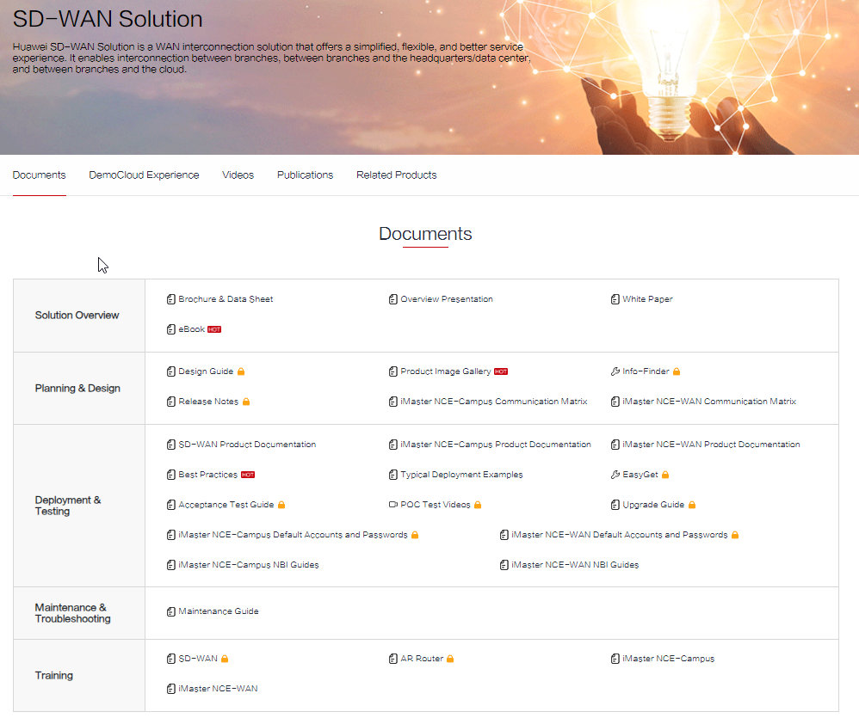

Tools
BACK
Tools

Category | Tool name | Desc | Tool Link
APP | Huawei Enterprise Technical Support app-barcode scanning |  | http://support.huawei.com/enterprise/NewsReadAction.action?newType=0302&contentId=NEWS1000005092&idAbsPath=0302_10002
Information Query | Info-Finder | A collection of documentation tools, including query for packet format, hardware, alarm, command, log, license, for network products, a good assistant for bidding, network planning, project delivery, upgrade, and maintenance. | http://support.huawei.com/onlinetoolsweb/einfofinder/?language=en
 | Specifications Query Tool | Query and compare hardware and software specifications for network products. (This content is applicable only to regions outside Chinese mainland. Huawei reserves the right to interpret this content) | https://info.support.huawei.com/info-finder/tool/en/enterprise/speccenter/query
 | License Query Tool | Query network product licenses by product/version or keyword. | https://info.support.huawei.com/info-finder/tool/en/enterprise/license-control-items/query
 | Hardware Query Tool | Query the information about and support for network product components by product/version or keyword. | https://info.support.huawei.com/info-finder/tool/en/enterprise/hardwarecenter
 | AC-AP Mapping Tool | Query the information about AC-AP mapping information. | https://info.support.huawei.com/info-finder/tool/en/enterprise/ac-ap-mapping
 | EOM, EOFS and EOS Date Query Tool | Query the EOM, EOFS, and EOS of network products by product name. | https://info.support.huawei.com/info-finder/tool/en/enterprise/eom-eofs-and-eos-date/product
Service Assistant | Hardware Configuration Tool | One-Stop Tool for Configuration Diagram, Power Consumption, and Weight | https://info.support.huawei.com/info-finder/tool/en/enterprise/hardware-configuration-tool
 | Enterprise network configuration translation | To make it easier to configure Huawei devices using command lines, Huawei provides a tool to translate configurations of Cisco/Juniper to Huawei. Specifically, you can import the Cisco or Juniper configuration files into the tool. Then it translates them into Huawei configuration files. The tool is open to ASPs, and five- and four-star CSPs. | https://de-serviceturbo-cloud.huawei.com/serviceturbocloud/en/tool/tool-details-extranet-o3?id=GT2021113007&lang=en_US
...

Videos
BACK
Videos

Videos | Link
Introduction to SD-WAN Solutions
SD-WAN Solution Introduction | https://info.support.huawei.com/info-finder/vue/#/en/enterprise/onlinecourses/detail?secondProduct=Horizontal%20Solutions&thirdProduct=SD-WAN&collection=Introduction%20to%20SD-WAN%20Solution&product=Enterprise%20Network%20Solution
Huawei SD-WAN Encyclopedia | https://info.support.huawei.com/info-finder/vue/#/en/enterprise/onlinecourses/detail?secondProduct=Horizontal%20Solutions&thirdProduct=SD-WAN&collection=Huawei%20SD-WAN%20Encyclopedia&product=Enterprise%20Network%20Solution
Huawei SD-WAN Demo | https://info.support.huawei.com/info-finder/vue/#/en/enterprise/onlinecourses/detail?secondProduct=Horizontal%20Solutions&thirdProduct=SD-WAN&collection=Huawei%20SD-WAN%20Demo&product=Enterprise%20Network%20Solution
SD-WAN POC-Test
SD-WAN POC-Test Basics | https://info.support.huawei.com/info-finder/vue/#/en/enterprise/onlinecourses/detail?secondProduct=Horizontal%20Solutions&thirdProduct=SD-WAN&scene=&collection=SD-WAN%20POC-Test%20Basics&product=Enterprise%20Network%20Solution
SD-WAN POC-Test Advanced | https://info.support.huawei.com/info-finder/vue/#/en/enterprise/onlinecourses/detail?secondProduct=Horizontal%20Solutions&thirdProduct=SD-WAN&collection=SD-WAN%20POC-Test%20Advanced&product=Enterprise%20Network%20Solution
SD-WAN POC-Test Operation | https://info.support.huawei.com/info-finder/vue/#/en/enterprise/onlinecourses/detail?secondProduct=Horizontal%20Solutions&thirdProduct=SD-WAN&collection=SD-WAN%20POC-Test%20Operation&product=Enterprise%20Network%20Solution
Introduction to Products (V600)
(Video) NetEngine AR5710-S Product Description | https://support.huawei.com/enterprise/en/doc/EDOC1100332991
...

TechNotes
BACK
TechNotes

TechNotes are short technical documents that generally describe specific problems and solutions, mostly practice oriented. Huawei Engineers work with customers around the world to provide solutions to the most complicated issues, and document their experience in TechNotes.
Documentation | Desc | Link
Configuration TechNotes
How to Configure an AR Router | This document describes some simple deployment configurations to help you complete basic configurations of AR routers in a short time. | https://support.huawei.com/enterprise/en/doc/EDOC1100082076
How to Log In to an AR Router Through the Web and CLI | This document describes how to log in to an access router (AR), including login through the console port, mini USB port, and web UI. This document also describes the ports for logging in to the AR router, the default password for each login mode, and what to do if the login password is forgotten. | https://support.huawei.com/enterprise/en/doc/EDOC1100083329
Device Interconnection Through E1 Leased Lines | This document describes how to interconnect them with Huawei AR routers through E1 leased lines and troubleshoot related faults on the live networks. In addition, this document can also be used as a reference for interconnecting AR routers with devices from other vendors through E1 leased lines. | https://support.huawei.com/enterprise/en/doc/EDOC1100094072
How Does RADIUS Work | This document describes the RADIUS packet format and types and RADIUS authentication, authorization, and accounting. | https://support.huawei.com/enterprise/en/doc/EDOC1100086516
What Is an Access Control List | This document briefly describes what ACL is, including the basic concept of ACL, ACL matching conditions, and ACL configuration guidelines. | https://support.huawei.com/enterprise/en/doc/EDOC1100086647
What Is a VPN | This document describes the VPN definition, how VPN works, and classification of VPN. | https://support.huawei.com/enterprise/en/doc/EDOC1100086559
What Is STP | This document describes the basic concepts and configuration of STP. | https://support.huawei.com/enterprise/en/doc/EDOC1100086964
...

